Hoja1
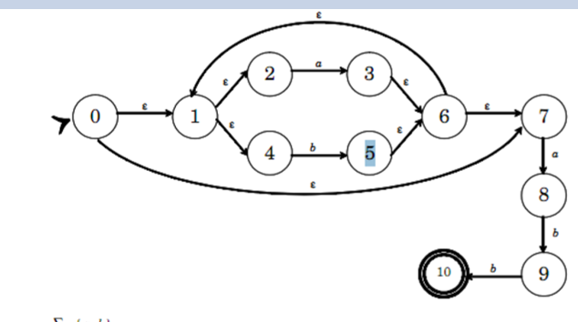
ecl( 0 ) | { 0, 1, 2, 4, 7 } = S
T(S, a) | ( 3, 8 )
T(S, b) | ( 5 )
ecl( 3, 8 ) | { 3, 8, 6, 7, 1, 2, 4 } = A
ecl( 5 ) | { 5, 6, 7, 1, 2, 4 } = B
T(A, a) | ( 3, 8 )
T(A, b) | ( 5, 9 )
T(B, a) | ( 3, 8 )
T(B, b) | ( 5 )
ecl( 5, 9 ) | { 5, 9, 6, 7, 1, 2, 4 } = C
T(C, a) | ( 3, 8 )
T(C, b) | ( 5, 10 )
ecl( 5, 10 ) | { 5, 10, 6, 7, 1, 2, 4 } = D
T(D, a) | ( 3, 8 )
T(D, b) | ( 5 )

